Sheet1
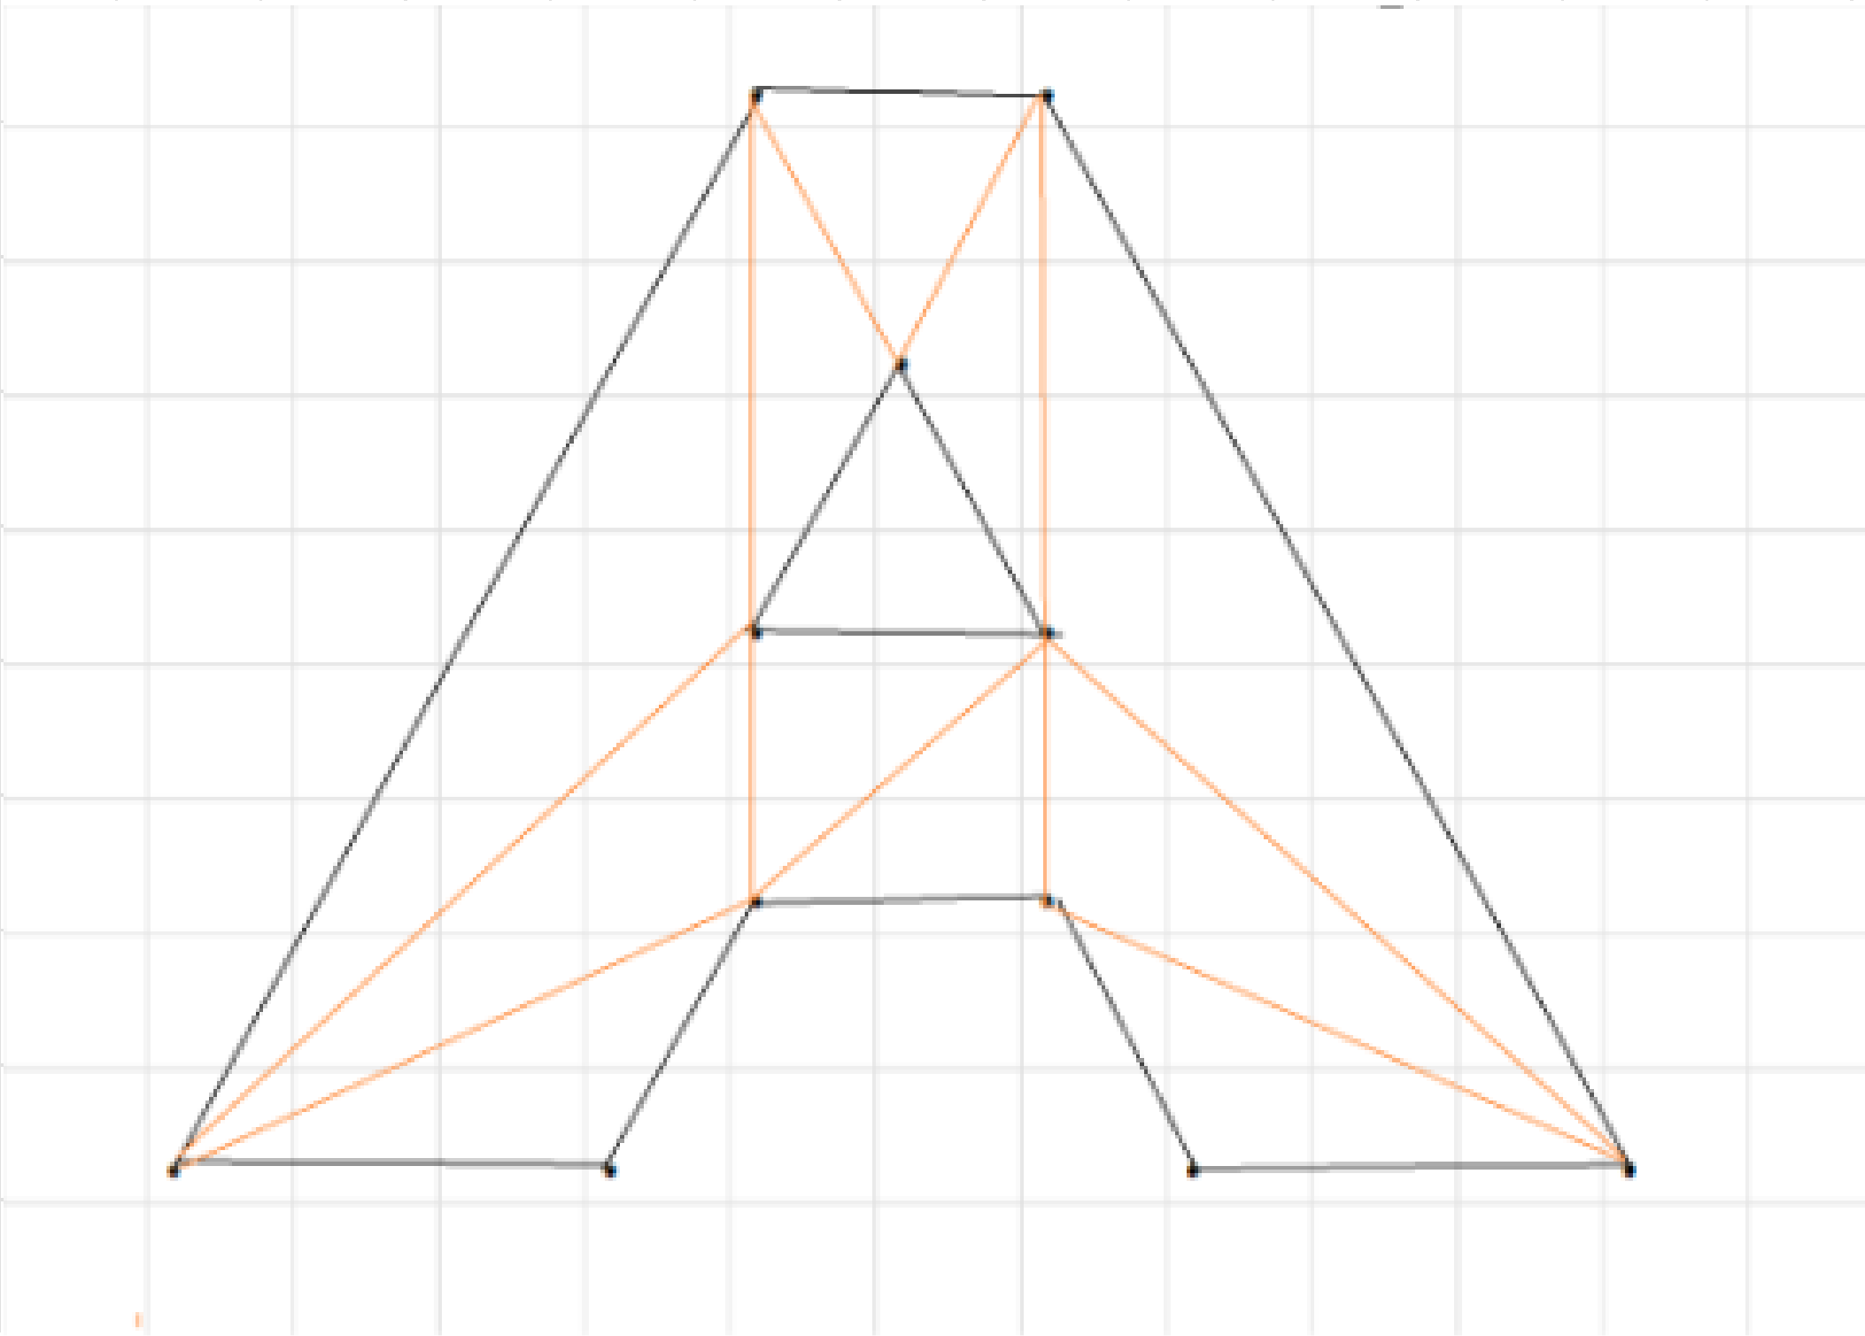
 |  |  |  |  |  | . |  | .

 |  |  |  |  |  |  | .

 |  |  |  |  |  | . |  | .

 |  |  |  |  |  | . |  | .

 |  |  |  | . | . |  |  |  | . | .

Vertecies
 | AnchorBottomLeft | Anchor Middle = (x-5,z-5)
1 | 0,0 | (-5,-5)
2 | 3,0 | (-2,-5)
3 | 4,8 | (-1,3)
4 | 4,4 | (-1,-1)
5 | 4,2 | (-1,-3)
6 | 5,6 | (0,1)
7 | 6,8 | (1,3)
8 | 6,4 | (1,-1)
9 | 6,2 | (1,-3)
10 | 7,0 | (2,-5)
11 | 10,0 | (5,-5)

add Z
1 | (-5,1,-5)
2 | (-2,1,-5)
3 | (-1,1,3)
4 | (-1,1,-1)
5 | (-1,1,-3)
6 | (0,1,1)
7 | (1,1,3)
8 | (1,1,-1)
9 | (1,1,-3)
10 | (2,1,-5)
11 | (5,1,-5)
12 | (-5,-1,-5)
13 | (-2,-1,-5)
14 | (-1,-1,3)
15 | (-1,-1,-1)
16 | (-1,-1,-3)
17 | (0,-1,1)
18 | (1,-1,3)
19 | (1,-1,-1)
20 | (1,-1,-3)
21 | (2,-1,-5)
22 | (5,-1,-5)

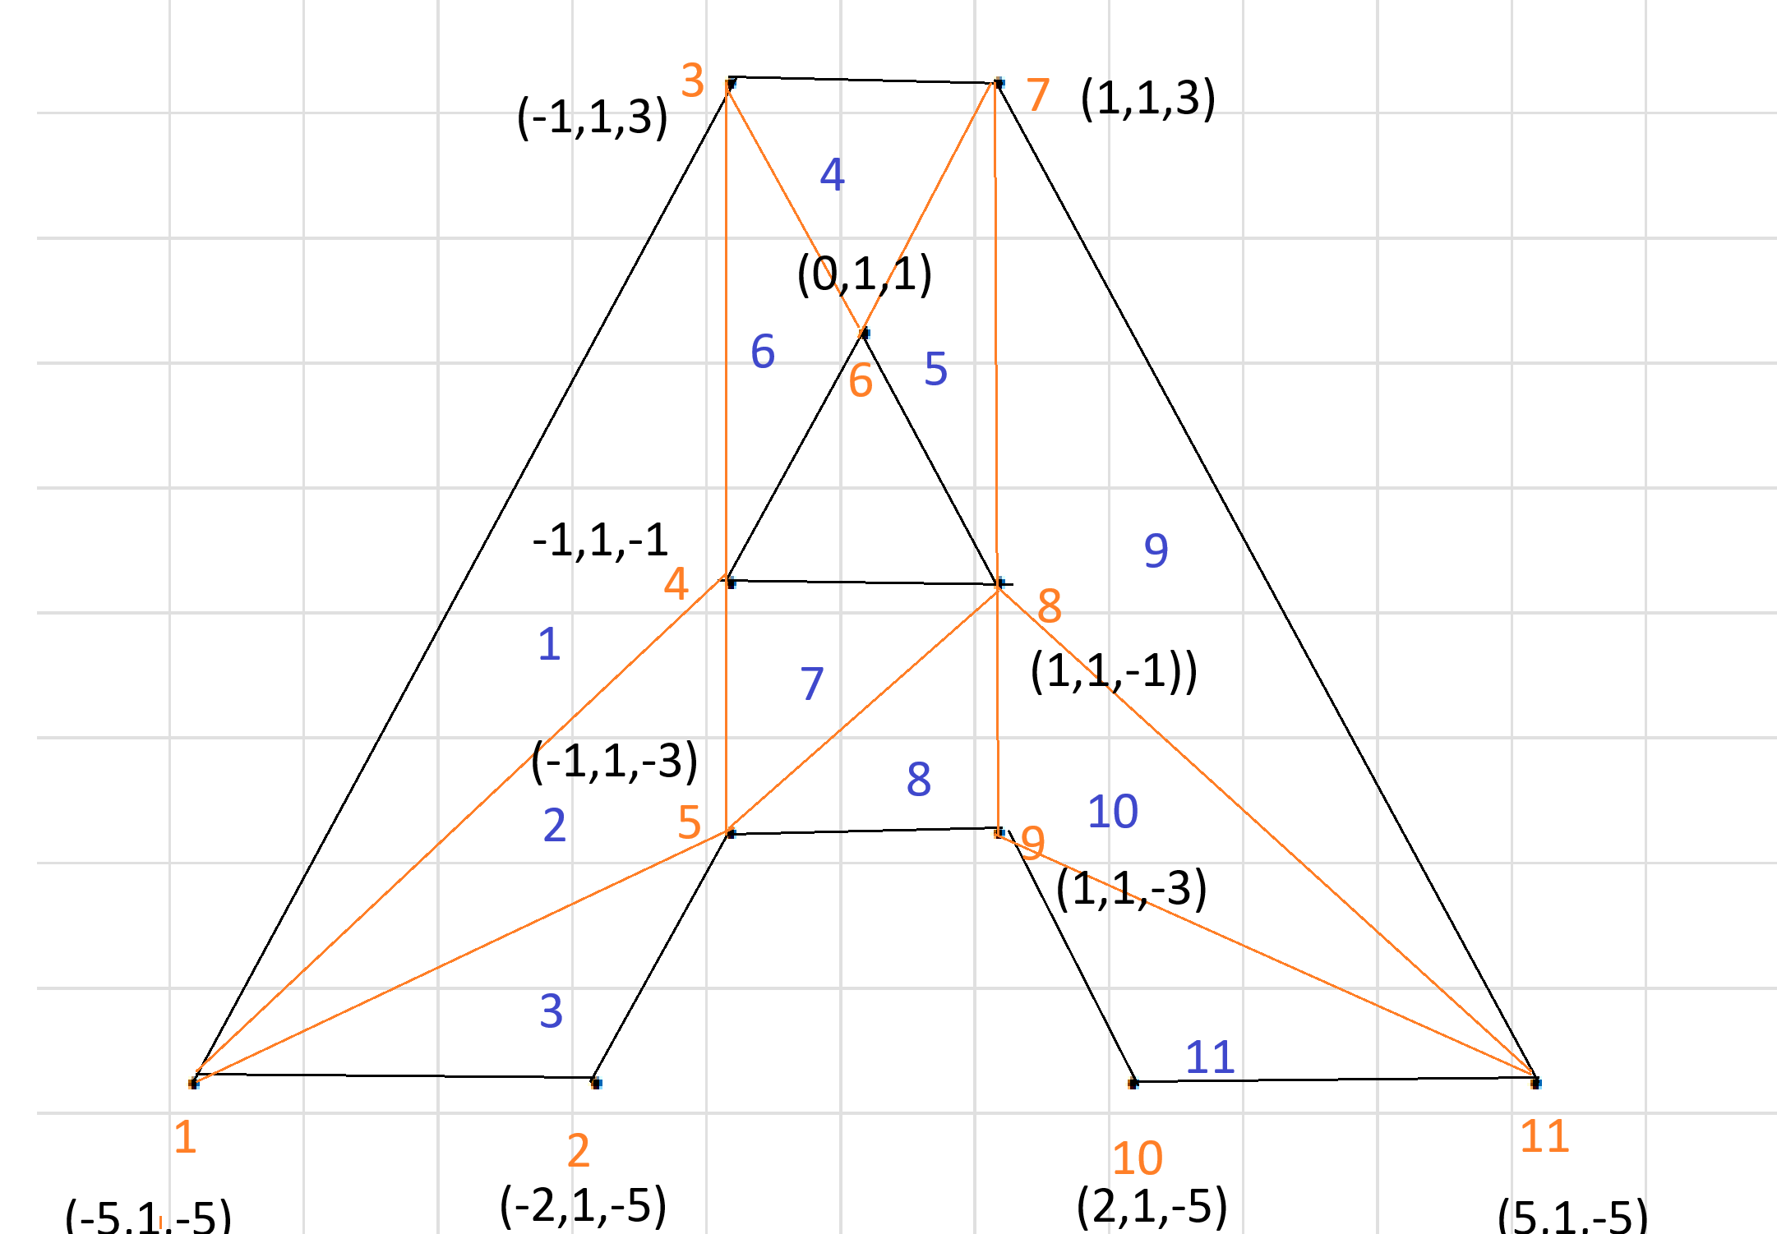
Front Faces Indecies |  |  | BackFaces
1 | 1,4,3 |  | 12
2 | 1,5,4 |  | 13
3 | 1,2,5 |  | 14
4 | 3,6,7 |  | 15
5 | 7,6,8 |  | 16
6 | 3,4,6 |  | 17
7 | 4,5,8 |  | 18
8 | 8,5,9 |  | 19
9 | 7,8,11 |  | 20
10 | 8,9,11 |  | 21
11 | 9,10,11 |  | 22

